Comparison
FIR Filtering (in C, float)
 | Arduino Uno |  | Arduino M0 Pro |  | Maple |  | Arduino Due
4 | 79.5 | 4 | 30.2 | 8 | 19 | 8 | 17.67
8 | 155.34 | 8 | 59.57 | 16 | 38.44 | 16 | 35.69
16 | 308.66 | 16 | 118.3 | 32 | 77.28 | 32 | 71.64
32 | 627.84 | 32 | 235 | 64 | 154.92 | 64 | 143.43
64 | 1283 | 64 | 473 | 128 | 310.15 | 128 | 286.93
128 | 2627 | 128 | 945 | 256 | 620.58 | 256 | 573.83
 |  | 256 | 1887 | 512 | 1241.37 | 512 | 1147.53
 |  | 512 | 3761 |  |  | 1024
 |  | Arduino Uno | Arduino M0 Pro | Maple | Arduino Due
 |  | float | Float | Float | float
 |  | function | Function | Inline | Inline, using types.h
 | N_FIR | usec | usec | usec | usec | Uno/M0 | Uno/Maple
 | 4 | 79.5 | 30.2 | 9.26 | 8.61 | 2.6324503311 | 8.5853131749
 | 8 | 155.34 | 59.57 | 19 | 17.67 | 2.6076884338 | 8.1757894737
 | 16 | 308.66 | 118.3 | 38.44 | 35.69 | 2.6091293322 | 8.0296566077
 | 32 | 627.84 | 235 | 77.28 | 71.64 | 2.6716595745 | 8.1242236025
 | 64 | 1283 | 473 | 154.92 | 143.43 | 2.7124735729 | 8.2816937774
 | 128 | 2627 | 945 | 310.15 | 286.93 | 2.7798941799 | 8.4700951153
 | 256 | 0 | 1887 | 620.58 | 573.83
 | 512 | 0 | 3761 | 1241.37 | 1147.53
 | 1024 | 0 | 7519

 |  | Sample Rate | Sample Period
 |  | Hz | usec
 |  | 6000 | 166.7
 |  | 8000 | 125.0
 |  | 11025 | 90.7
 |  | 22050 | 45.4
 |  | 44100 | 22.7

 |  | Arduino Uno | Arduino M0 Pro | Maple | Arduino Due | 3 | 4.5 | 5.25 | 1.5 | 1.1666666667 | Arduino Uno | Arduino M0 Pro | Maple | Arduino Due
 |  | inline, using types.h | Inline, using types.h | Inline, using types.h
 | N_FIR | usec | usec | usec | Inline, using types.h | Uno/M0 | Uno/Maple | Uno/Due | M0/Maple | Maple/Due | vs Int | vs Int | vs Int | vs Int
float | 16 | 269.7 | 112.4 | 38.44 | 35.69 | 2.399 | 7.016 | 7.557 | 2.924 | 1.077 | 6.676 | 8.477 | 6.364 | 5.499
 | 32 | 549.1 | 224.5 | 77.28 | 71.64 | 2.446 | 7.105 | 7.665 | 2.905 | 1.079 | 6.984 | 8.654 | 6.656 | 5.686
 | 64 | 1128.4 | 452.3 | 154.92 | 143.43 | 2.495 | 7.284 | 7.867 | 2.920 | 1.080 | 7.266 | 8.383 | 6.807 | 5.783
 | 128 | 2333.0 | 903.7 | 310.15 | 286.93 | 2.582 | 7.522 | 8.131 | 2.914 | 1.081 | 7.575 | 8.419 | 6.883 | 5.831
long | 16 | 119.8 | 13.3 | 6.04 | 6.49 | 9.035 | 19.834 | 18.459 | 2.195 | 0.931 | 2.965 | 1.000 | 1.000 | 1.000
 | 32 | 236.5 | 25.9 | 11.61 | 12.6 | 9.119 | 20.374 | 18.773 | 2.234 | 0.921 | 3.009 | 1.000 | 1.000 | 1.000
 | 64 | 470.0 | 54.0 | 22.76 | 24.8 | 8.709 | 20.650 | 18.952 | 2.371 | 0.918 | 3.026 | 1.000 | 1.000 | 1.000
 | 128 | 936.8 | 107.4 | 45.06 | 49.21 | 8.727 | 20.790 | 19.037 | 2.382 | 0.916 | 3.042 | 1.000 | 1.000 | 1.000
int | 16 | 40.4 | 13.3 | 6.04 | 6.49 | 3.047 | 6.689 | 6.225 | 2.195 | 0.931
 | 32 | 78.6 | 25.9 | 11.61 | 12.6 | 3.031 | 6.772 | 6.240 | 2.234 | 0.921
 | 64 | 155.3 | 54.0 | 22.76 | 24.8 | 2.878 | 6.823 | 6.262 | 2.371 | 0.918
 | 128 | 308.0 | 107.3 | 45.06 | 49.21 | 2.869 | 6.835 | 6.259 | 2.382 | 0.916

FIR Filtering Performance (in C)
FIR Filtering Performance (in C)

Arduino Uno
https://www.arduino.cc/en/Main/ArduinoBoardUno
ATmega328
16 MHz
 |  |  |  |  |  | Arduino Uno |  | Arduino Uno
 |  |  |  |  |  | float |  | inline, using types.h
Arduino Uno, Float Operations |  |  |  | Arduino Uno, Float, decrement indexer |  | function |  | float | int | long | Arduino Uno, Float, Modulo |  | Float Operations, Int z
N_FIR | Micros Per Trial | Bytes |  | Micros Per Trial | Bytes | Micros Per Trial | Bytes | Micros Per Trial | Micros Per Trial | Micros Per Trial | Micros Per Trial | Bytes | Micros Per Trial | Bytes
4 | 71.46 |  |  | 70.36 | 344 | 79.5 | 344
8 | 143.89 |  |  | 141.4 | 376 | 155.34 | 376
16 | 290.4 | 440 |  | 285.15 | 440 | 308.66 |  | 269.7 | 40.4 | 119.8 | 515.78 | 440
32 | 595.99 | 568 |  | 585.2 | 568 | 627.84 |  | 549.1 | 78.62 | 236.54 | 1040 | 568
64 | 1224.4 | 824 |  | 1202.6 | 824 | 1283 |  | 1128.4 | 155.3 | 470 | 2100 | 824 | 1462.5 | 694
128 | 2513.7 | 1336 |  | 2469.7 | 1336 | 2627 |  | 2333 | 308 | 936.8 | 4167 | 1136 | 2983 | 970
256 |  |  |  |  |  |  |  |  |  |  |  |  | 5973 | 1846
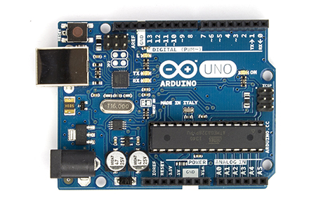
 | Assumed Sample Rate | 22050 | Hz
 | Sample Period | 45.351473923 | microseconds
 | Fraction |  |  | Fraction |  | Fraction
 | 1.575693 |  |  | 1.551438 |  | 1.752975
 | 3.1727745 |  |  | 3.11787 |  | 3.425247
 | 6.40332 |  |  | 6.2875575 |  | 6.805953
 | 13.1415795 |  |  | 12.90366 |  | 13.843872
 | 26.99802 |  |  | 26.51733 |  | 28.29015
 | 55.427085 |  |  | 54.456885 |  | 57.92535

4 | 1 |  |  | 0.98460677302 |  | 1.1299033542
8 | 1 |  |  | 0.98269511432 |  | 1.0985855728
16 | 1 |  |  | 0.9819214876 |  | 1.0824478345
32 | 1 |  |  | 0.98189566939 |  | 1.0728639781
64 | 1 |  |  | 0.98219536099 |  | 1.0668551472
128 | 1 |  |  | 0.98249592235 |  | 1.0636919464
256

Arduino M0 Pro
http://www.arduino.org/products/arduino-m0-pro
ATSAMD21G18, Atmel’s SAMD21 MCU, featuring a 32-bit ARM Cortex® M0 core
48 MHz

 | Arduino M0 Pro |  |  |  |  |  | Arduino M0 Pro
 | Float |  |  |  |  |  | Inline, using types.h
 | Function |  | Inline |  | Inline, Modulo |  | float | int | long
N_FIR | Micros Per Trial |  |  |  | (non deterministic!) |  | Micros Per Trial | Micros Per Trial | Micros Per Trial
4 | 30.2 |  | 27.42 | 91% | 28 | 102%
8 | 59.57 |  | 54.78 | 92% | 56.35 | 103%
16 | 118.3 |  | 109.15 | 92% | 110.8 | 102% | 112.4 | 13.26 | 13.26 | 8.4766214178
32 | 235 |  | 217.57 | 93% | 220 | 101% | 224.49 | 25.94 | 25.94 | 8.6542020046
64 | 473 |  | 438.08 | 93% | 438 | 100% | 452.33 | 53.96 | 53.97 | 8.3826908821
128 | 945 |  | 874.76 | 93% | 874.4 | 100% | 903.68 | 107.34 | 107.35 | 8.4188559717
256 | 1887 |  | 1764 | 93% | 1758.8 | 100%
512 | 3761 |  |  | 0% |  | #DIV/0!
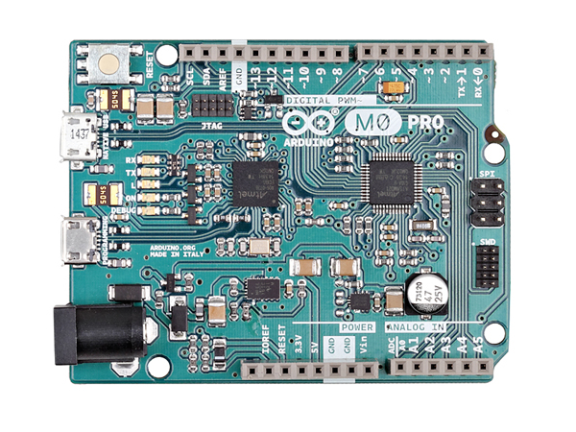
1024 | 7519 |  |  | 0% |  | #DIV/0!

 | Assumed Sample Rate | 16000 | Hz
 | Sample Period | 62.5 | micros

Maple
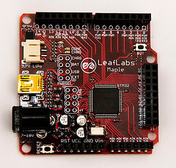
http://www.leaflabs.com/about-maple/
STM32F103RB: a 32-bit ARM Cortex-M3 microprocessor
72 MHz

 | Maple
 | Inline, using types.h
 | double | float | long | int
4 | 13.66 | 9.26 | 1.86 | 1.85
8 | 28.03 | 19 | 3.25 | 3.25
16 | 56.67 | 38.44 | 6.04 | 6.04
32 | 113.85 | 77.28 | 11.61 | 11.61
64 | 228.12 | 154.92 | 22.76 | 22.76
128 | 456.55 | 310.15 | 45.06 | 45.06
256 | 913.3 | 620.58 | 89.65 | 89.65
512 | 1826.73 | 1241.37 | 178.85 | 178.84

Arduino Due
https://www.arduino.cc/en/Main/arduinoBoardDue
Atmel SAM3X8E ARM Cortex-M3 CPU
84 MHz
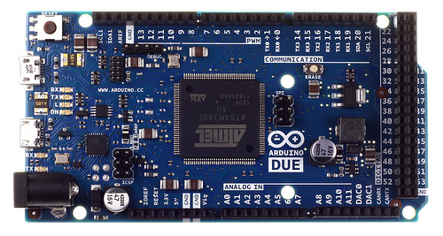
 | Arduino Due
 | Inline, using types.h
 | double | float | long | int
4 | 13.75 | 8.61 | 1.92 | 1.92
8 | 28.23 | 17.67 | 3.44 | 3.44
16 | 57.06 | 35.69 | 6.49 | 6.49
32 | 114.59 | 71.64 | 12.6 | 12.6
64 | 229.52 | 143.43 | 24.8 | 24.8
128 | 459.25 | 286.93 | 49.21 | 49.21
256 | 918.56 | 573.83 | 98.05 | 98.05
512 | 1837.07 | 1147.53 | 195.67 | 195.67

